Prompt
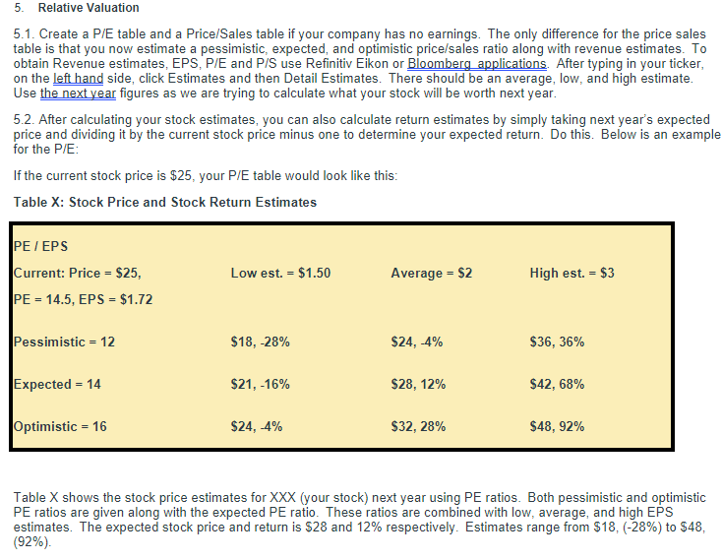

Ford-DCF
Discounted Cash Flow Analysis - Ford Motor Company |  |  |  |  | Ticker | F |  | Date | 2023-11-08 |  | Last Fiscal Year: | 2022-12-31
($ in Millions Except Per Share Data) |  |  |  |  | Exchange | NYQ

Ford Motor Company - DCF Assumptions & Output:

 | Company Name: |  |  | Ford Motor Company |  | Terminal EBITDA Multiple Approach |  |  | Yes |  | Terminal FCF Growth Rate - Perpetuity Approach
 | Current Share Price: |  |  | $10.05 | Nov 8,2023
 |  |  |  |  |  | PV of Terminal Value: |  |  | 99,989.9 |  | PV of Terminal Value: |  |  | 153,244.5
 | Effective Tax Rate: |  |  | 20.3% |  | Sum of PV of Free Cash Flows: |  |  | 46,754.5 |  | Sum of PV of Free Cash Flows: |  |  | $46,754.5
 | Discount Rate (WACC): |  |  | 7.63% |  | Implied Enterprise Value: |  |  | $146,744.4 |  | Implied Enterprise Value: |  |  | 199,999.0

 | Baseline Terminal EBITDA Multiple: |  |  | 6.00 x |  | % of Implied EV from Terminal Value: |  |  | 68.1% |  | % of Implied EV from Terminal Value: |  |  | 76.6%
 | Baseline Terminal Value: |  |  | $144,395.84
 | Implied Terminal FCF Growth Rate: |  |  | (0.8%) |  | Less: Net Debt: |  |  | 94,899.0 |  | Less: Net Debt: |  |  | 94,899.0

 |  |  |  |  |  | Implied Equity Value: |  |  | 51,845.4 |  | Implied Equity Value: |  |  | 105,100.0
 | Baseline Terminal FCF Growth Rate: |  |  | 2.0% |  | Diluted Shares Outstanding: |  |  | 4,002.954 |  | Diluted Shares Outstanding: |  |  | 4,002.954
 | Baseline Terminal Value: |  |  | $221,301.0
 | Implied Terminal EBITDA Multiple: |  |  | 9.2 x |  | Implied Intrinsic Value Per Share: |  |  | $12.95 |  | Implied Intrinsic Value Per Share: |  |  | $26.26
 |  |  |  |  |  | Premium / (Discount) to Current Price: |  |  | 28.9% |  | Premium / (Discount) to Current Price: |  |  | 161.2%

 |  |  |  |  |  |  | 1 | 2 | 3 | 4 | 5
 |  |  |  |  |  | Historical |  |  | Projected
Ford Motor Company - FCF Projections: |  |  |  | 2018 | 2019 | 2020 | 2021 | 2022 | 2023 | 2024 | 2025 | 2026 | 2027 | Trend

 | Revenue: |  |  | $160,338.0 | $155,900.0 | $127,144.0 | $136,341.0 | $158,057.0 | $171,692.4 | $181,572.6 | $183,226.7 | $191,513.6 | $194,718.6
 | Revenue Growth Rate: |  |  | 2.3% | (2.8%) | (18.4%) | 7.2% | 15.9% | 8.6% | 5.8% | 0.9% | 4.5% | 1.7%
 | Operating Income (EBIT): |  |  | 3,203.0 | 519.0 | (4,409.0) | 2,821.0 | 6,155.0 | 12,539.3 | 14,854.1 | 15,096.2 | 15,977.2 | 16,006.0
 | Operating Margin: |  |  | 2.0% | 0.3% | (3.5%) | 2.1% | 3.9% | 7.3% | 8.2% | 8.2% | 8.3% | 8.2%
 | Growth Rate: |  |  | (34.4%) | (83.8%) | (949.5%) | (164.0%) | 118.2% | 103.7% | 18.5% | 1.6% | 5.8% | 0.2%

 | Less: Taxes, Excluding Effect of Interest: |  |  | (649.7) | (105.3) | 894.4 | (572.2) | (1,248.5) | (2,543.6) | (3,013.2) | (3,062.3) | (3,241.0) | (3,246.8)

 | Net Operating Profit After Tax (NOPAT): |  |  | 2,553.3 | 413.7 | (3,514.6) | 2,248.8 | 4,906.5 | 9,995.7 | 11,840.9 | 12,034.0 | 12,736.3 | 12,759.2

 | Adjustments for Non-Cash Charges:
 | Depreciation & Amortization: |  |  | 9,280.0 | 9,689.0 | 8,751.0 | 7,318.0 | 7,642.0 | 6,317.8 | 7,735.6 | 7,450.2 | 7,814.0 | 8,060.0
 | % Revenue: |  |  | 5.8% | 6.2% | 6.9% | 5.4% | 4.8% | 5.7% | 5.3% | 5.3% | 5.4% | 5.3%
 | Deferred Income Taxes: |  |  | (197.0) | (1,370.0) | (269.0) | (563.0) | (1,910.0) | 127.2 | 150.7 | 153.1 | 162.0 | 162.3
 | % Book Taxes on Income Statement: |  |  | (25.5%) | 167.3% | (168.1%) | 433.1% | 221.1% | 5.0% | 5.0% | 5.0% | 5.0% | 5.0%
 | Total Non-Cash Adjustments: |  |  |  |  | 8,482.0 | 6,755.0 | 5,732.0 | 6,445.0 | 7,886.3 | 7,603.3 | 7,976.0 | 8,222.3

 | Changes in Working Capital:
 | Decrease / (Increase) in Accounts Receivable: |  |  | (2,239.0) | 738.0 | 12,041.0 | 6,515.0 | (11,743.0)
 | Decrease / (Increase) in Inventory: |  |  | (828.0) | 206.0 | 148.0 | (1,778.0) | (2,576.0)
 | Increase / (Decrease) in Accounts Payable: |  |  | 6,781.0 | 5,260.0 | 6,809.0 | (36.0) | 7,268.0
 | Increase / (Decrease) in Other Operating Cash Flow |  |  | 17.0 | 41.0 | (242.0) | (234.0) | 436.0
 | Net Change in Working Capital: |  |  | 3,731.0 | 6,245.0 | 18,756.0 | 4,467.0 | (6,615.0) | 1,112.6 | 918.5 | 170.4 | 760.2 | 41.5
 | % Change in Revenue: |  |  | 2.5% | 4.3% | 15.9% | 48.6% | (30.5%) | 8.2% | 9.3% | 10.3% | 9.2% | 1.3%
 | % Revenue: |  |  | 2.3% | 4.0% | 14.8% | 3.3% | (4.2%) | 0.6% | 0.5% | 0.1% | 0.4% | 0.0%

 | Less: Capital Expenditures: |  |  | (7,785.0) | (7,632.0) | (5,742.0) | (6,227.0) | (6,866.0) | (7,959.0) | (8,337.2) | (8,301.9) | (8,683.0) | (8,815.4)
 | % Revenue: |  |  | 4.9% | 4.9% | 4.5% | 4.6% | 4.3% | 4.6% | 4.6% | 4.5% | 4.5% | 4.5%

 | Unlevered Free Cash Flow: |  |  | $(1,500.7) | $(973.3) | $17,981.4 | $7,243.8 | $(2,842.5) | $9,594.3 | $12,308.5 | $11,505.8 | $12,789.5 | $12,207.6
 | Growth Rate: |  |  | N/A | (35.1%) | (1947.5%) | (59.7%) | (139.2%) | (437.5%) | 28.3% | (6.5%) | 11.2% | (4.5%)

 | EBITDA: |  |  | $12,483.0 | $10,208.0 | $4,342.0 | $10,139.0 | $13,797.0 | $18,857.1 | $22,589.7 | $22,546.4 | $23,791.2 | $24,066.0
 | Growth Rate: |  |  | N/A | (18.2%) | (57.5%) | 133.5% | 36.1% | 36.7% | 19.8% | (0.2%) | 5.5% | 1.2%

 | Sensitivity - Implied Share Price from DCF Analysis - Long-Term FCF Growth Rate vs. Discount Rate (WACC):

 |  |  | Terminal FCF Growth Rate:
 |  | 2625.6% | - | 0.5% | 1.0% | 1.5% | 2.0% | 2.5% | 3.0% | 3.5% | 4.0%
 | Discount Rate (WACC): | 6.5% | $22.59 | $25.63 | $29.22 | $33.53 | $38.80 | $45.38 | $53.85 | $65.14 | $80.94
 |  | 7.0% | 19.24 | 21.80 | 24.78 | 28.30 | 32.53 | 37.70 | 44.17 | 52.48 | 63.55
 |  | 7.5% | 16.34 | 18.51 | 21.02 | 23.95 | 27.41 | 31.56 | 36.64 | 42.98 | 51.13
 |  | 8.0% | 13.80 | 15.67 | 17.80 | 20.26 | 23.14 | 26.53 | 30.61 | 35.59 | 41.82
 |  | 8.5% | 11.56 | 13.18 | 15.01 | 17.11 | 19.52 | 22.35 | 25.68 | 29.68 | 34.57
 |  | 9.0% | 9.57 | 10.98 | 12.57 | 14.37 | 16.43 | 18.80 | 21.57 | 24.84 | 28.77
 |  | 9.5% | 7.79 | 9.03 | 10.41 | 11.97 | 13.74 | 15.76 | 18.09 | 20.81 | 24.03
 |  | 10.0% | 6.18 | 7.28 | 8.50 | 9.86 | 11.39 | 13.13 | 15.11 | 17.40 | 20.07
 |  | 10.5% | 4.73 | 5.71 | 6.79 | 7.98 | 9.32 | 10.82 | 12.53 | 14.47 | 16.72

 |  |  | Terminal EBITDA Multiple:
 |  | 1295.2% | 4.0x | 4.5x | 5.0x | 5.5x | 6.0x | 6.5x | 7.0x | 7.5x | 8.0x
 | Discount Rate (WACC): | 6.0% | $6.45 | $8.69 | $10.93 | $13.18 | $15.42 | $17.66 | $19.91 | $22.15 | $24.39
 |  | 6.5% | 5.86 | 8.05 | 10.24 | 12.43 | 14.62 | 16.82 | 19.01 | 21.20 | 23.39
 |  | 7.0% | 5.29 | 7.43 | 9.57 | 11.71 | 13.85 | 15.99 | 18.13 | 20.27 | 22.41
 |  | 7.5% | 4.73 | 6.82 | 8.91 | 11.00 | 13.10 | 15.19 | 17.28 | 19.37 | 21.46
 |  | 8.0% | 4.19 | 6.23 | 8.27 | 10.32 | 12.36 | 14.40 | 16.45 | 18.49 | 20.53
 |  | 8.5% | 3.66 | 5.66 | 7.65 | 9.65 | 11.64 | 13.64 | 15.64 | 17.63 | 19.63
 |  | 9.0% | 3.14 | 5.09 | 7.05 | 9.00 | 10.95 | 12.90 | 14.85 | 16.80 | 18.75
 |  | 9.5% | 2.64 | 4.55 | 6.45 | 8.36 | 10.27 | 12.18 | 14.08 | 15.99 | 17.90
 |  | 10.0% | 2.15 | 4.02 | 5.88 | 7.74 | 9.61 | 11.47 | 13.33 | 15.20 | 17.06

DCF Valuation Summary
Unlevered FCF vs EBITDA

 |  |  |  | Low | Diff. | High | Intrinsic Value
 | DCF Value at 4.0x-8.0x Exit EBITDA Range |  |  | 4.2 | 16.34 | 20.53 | $12.95
 | DCF Value at 0.0%-4.0% Perpetuity Range |  |  | 11.6 | 23.01 | 34.6 | $26.26
 | 52 Week Market High/Low |  |  | 9.7 | 5.65 | 15.35 | 10.05

